Temperture
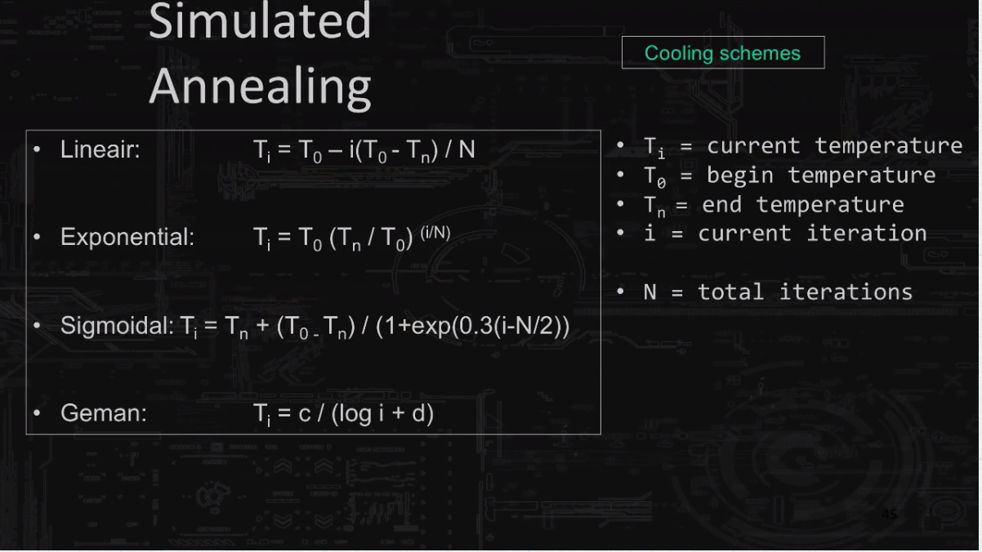
 |  |  |  | i | T |  |  | 20 |  |  |  |  |  |  | 100
 |  |  |  | 1 | 45.230524014 | 48.012628389 |  |  | 0.995 | loop a |  | 1 | 45.230524014 | 37.087334113 | 99
 | /// nieuw - oud |  |  | 2 | 40.916006051 | 46.331420401 |  |  |  | 50 |  | 2 | 40.916006051 | 30.410223662 | 98
 | -------------------- | // >= ran.getal 0 - 1 |  | 3 | 37.013047885 | 44.885585875 |  |  |  |  |  | 3 | 37.013047885 | 24.9352434 | 97
 | t |  |  | 4 | 33.482391024 | 43.625143477 | ` |  |  |  |  | 4 | 33.482391024 | 20.445964828 | 96
 |  |  |  | 5 | 30.288521825 | 42.513707686 |  |  |  |  |  | 5 | 30.288521825 | 16.764924691 | 95
0.93939141594 | -0.062483561109 | 1.0645189886 | 0.062483561109 | 6 | 27.399314275 | 41.524101186 |  |  |  |  |  | 6 | 27.399314275 | 13.746609772 | 94
0.93726259091 | -0.064750874763 | 1.0669368539 | 0.064750874763 | 7 | 24.785706845 | 40.635575465 |  |  |  |  |  | 7 | 24.785706845 | 11.271704687 | 93
0.93530852218 | -0.066836601138 | 1.0691659236 | 0.066836601138 | 8 | 22.421410173 | 39.83198851 |  |  |  |  |  | 8 | 22.421410173 | 9.2423752958 | 92
0.93350296939 | -0.068767682141 | 1.0712338715 | 0.068767682141 | 9 | 20.282642625 | 39.100574155 |  |  |  |  |  | 9 | 20.282642625 | 7.5784012691 | 91
0.93182517303 | -0.070565475543 | 1.07316268 | 0.070565475543 | 10 | 18.347891086 | 38.431089342 |  |  |  |  |  | 10 | 18.347891086 | 6.2140049455 | 90
0.93025842923 | -0.072247198959 | 1.0749701035 | 0.072247198959 | 11 | 16.597694568 | 37.815209776 |  |  |  |  |  | 11 | 16.597694568 | 5.0952511079 | 89
0.92878909923 | -0.073826935283 | 1.0766706896 | 0.073826935283 | 12 | 15.014448454 | 37.246092989 |  |  |  |  |  | 12 | 15.014448454 | 4.1779149003 | 88
0.92740590366 | -0.075316350306 | 1.0782765088 | 0.075316350306 | 13 | 13.582227427 | 36.718056779 |  |  |  |  |  | 13 | 13.582227427 | 3.4257335988 | 87
0.92609940877 | -0.076725216057 | 1.0797976875 | 0.076725216057 | 14 | 12.286625276 | 36.226338758 |  |  |  |  |  | 14 | 12.286625276 | 2.8089731288 | 86
0.92486164516 | -0.07806179974 | 1.0812428056 | 0.07806179974 | 15 | 11.114609992 | 35.766913952 |  |  |  |  |  | 15 | 11.114609992 | 2.3032526643 | 85
0.92368582006 | -0.079333157684 | 1.0826191961 | 0.079333157684 | 16 | 10.054392683 | 35.336354619 |  |  |  |  |  | 16 | 10.054392683 | 1.8885808416 | 84
0.9225660969 | -0.080545360849 | 1.0839331766 | 0.080545360849 | 17 | 9.0953089938 | 34.931721238 |  |  |  |  |  | 17 | 9.0953089938 | 1.548565492 | 83
0.9214974242 | -0.081703670161 | 1.0851902281 | 0.081703670161 | 18 | 8.2277118371 | 34.550476808 |  |  |  |  |  | 18 | 8.2277118371 | 1.2697656516 | 82
0.92047540099 | -0.082812674503 | 1.0863951377 | 0.082812674503 | 19 | 7.4428743565 | 34.1904188 |  |  |  |  |  | 19 | 7.4428743565 | 1.041160234 | 81
0.9194961699 | -0.08387640052 | 1.0875521103 | 0.08387640052 | 20 | 6.7329021463 | 33.849624626 |  |  |  |  |  | 20 | 6.7329021463 | 0.85371236139 | 80
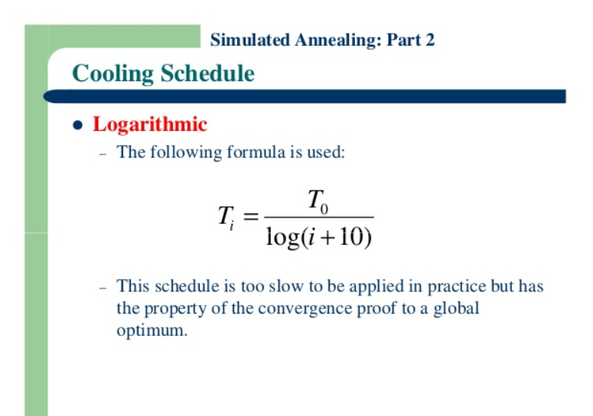
0.91855633133 | -0.084898400878 | 1.0886648602 | 0.084898400878 | 21 | 6.0906538442 | 33.526407582 |  |  |  |  |  | 21 | 6.0906538442 | 0.70001213281 | 79
0.91765287389 | -0.08588182585 | 1.0897366842 | 0.08588182585 | 22 | 5.5096692992 | 33.219280949 |  |  |  |  |  | 22 | 5.5096692992 | 0.57398370721 | 78
0.91678311756 | -0.086829481881 | 1.0907705223 | 0.086829481881 | 23 | 4.9841045909 | 32.92692855 |  |  |  |  |  | 23 | 4.9841045909 | 0.47064512271 | 77
0.91594466685 | -0.087743879874 | 1.0917690077 | 0.087743879874 | 24 | 4.5086732477 | 32.648180425 |  |  |  |  |  | 24 | 4.5086732477 | 0.38591135732 | 76
0.915135372 | -0.088627275283 | 1.0927345075 | 0.088627275283 | 25 | 4.078593072 | 32.381992609 |  |  |  |  |  | 25 | 4.078593072 | 0.31643284616 | 75
0.91435329652 | -0.08948170163 | 1.0936691581 | 0.08948170163 | 26 | 3.6895380377 | 32.127430223 |  |  |  |  |  | 26 | 3.6895380377 | 0.25946307158 | 74
0.91359668994 | -0.090308998699 | 1.0945748939 | 0.090308998699 | 27 | 3.3375947763 | 31.883653252 |  |  |  |  |  | 27 | 3.3375947763 | 0.21274999208 | 73
 |  |  |  | 28 | 3.0192232135 | 31.649904523 |  |  |  |  |  | 28 | 3.0192232135 | 0.17444701804 | 72
 |  |  |  | 29 | 2.7312209613 | 31.425499492 |  |  |  |  |  | 29 | 2.7312209613 | 0.14304001521 | 71
 |  |  |  | 30 | 2.4706911055 | 31.209817529 |  |  |  |  |  | 30 | 2.4706911055 | 0.11728745026 | 70
 |  |  |  | 31 | 2.2350130676 | 31.002294444 |  |  |  |  |  | 31 | 2.2350130676 | 0.096171312406 | 69
 |  |  |  | 32 | 2.0218162445 | 30.802416053 |  |  |  |  |  | 32 | 2.0218162445 | 0.078856870952 | 68
 |  |  |  | 33 | 1.8289561639 | 30.609712621 |  |  |  |  |  | 33 | 1.8289561639 | 0.064659678035 | 67
 |  |  |  | 34 | 1.6544929139 | 30.423754036 |  |  |  |  |  | 34 | 1.6544929139 | 0.05301851206 | 66
 |  |  |  | 35 | 1.4966716294 | 30.244145616 |  |  |  |  |  | 35 | 1.4966716294 | 0.043473192359 | 65
 |  |  |  | 36 | 1.3539048415 | 30.070524431 |  |  |  |  |  | 36 | 1.3539048415 | 0.035646388034 | 64
 |  |  |  | 37 | 1.2247565089 | 29.902556099 |  |  |  |  |  | 37 | 1.2247565089 | 0.029228701894 | 63
 |  |  |  | 38 | 1.1079275737 | 29.739931955 |  |  |  |  |  | 38 | 1.1079275737 | 0.023966439843 | 62
 |  |  |  | 39 | 1.0022428946 | 29.582366561 |  |  |  |  |  | 39 | 1.0022428946 | 0.019651582229 | 61
 |  |  |  | 40 | 0.90663942623 | 29.429595503 |  |  |  |  |  | 40 | 0.90663942623 | 0.01611356074 | 60
 |  |  |  | 41 | 0.8201555268 | 29.281373439 |  |  |  |  |  | 41 | 0.8201555268 | 0.01321251575 | 59
 |  |  |  | 42 | 0.741921285 | 29.137472363 |  |  |  |  | https://www.google.nl/search?q=simulated+annealing+formula&source=lnms&tbm=isch&sa=X&ved=0ahUKEwjts-Tr5fzXAhWsZpoKHZ0tAOcQ_AUICigB#imgrc=cVWs_1OR-GB3WM: | 42 | 0.741921285 | 0.010833767611 | 58
 |  |  |  | 43 | 0.67114976995 | 28.997680059 |  |  |  |  |  | 43 | 0.67114976995 | 0.0088832833102 | 57
 |  |  |  | 44 | 0.60712911573 | 28.86179872 |  |  |  |  |  | 44 | 0.60712911573 | 0.0072839593024 | 56
 |  |  |  | 45 | 0.54921536097 | 28.729643713 |  |  |  |  |  | 45 | 0.54921536097 | 0.0059725735707 | 55
 |  |  |  | 46 | 0.49682597146 | 28.601042467 |  |  |  |  |  | 46 | 0.49682597146 | 0.0048972864312 | 54
 |  |  |  | 47 | 0.44943398066 | 28.475833479 |  |  |  |  |  | 47 | 0.44943398066 | 0.0040155912867 | 53
 |  |  |  | 48 | 0.40656268909 | 28.353865416 |  |  |  |  |  | 48 | 0.40656268909 | 0.0032926343206 | 52
 |  |  |  | 49 | 0.36778086944 | 28.234996302 |  |  |  |  |  | 49 | 0.36778086944 | 0.0026998367104 | 51
 |  |  |  | 50 | 0.33269842894 | 28.119092788 |  |  |  |  |  | 50 | 0.33269842894 | 0.0022137648924 | 50
 |  |  |  | 51 | 0.30096248559 | 28.006029485 |  |  |  |  |  | 51 | 0.30096248559 | 0.0018152042233 | 49
 |  |  |  | 52 | 0.27225381864 | 27.895688366 |  |  |  |  |  | 52 | 0.27225381864 | 0.0014883994157 | 48
 |  |  |  | 53 | 0.24628365763 | 27.787958213 |  |  |  |  |  | 53 | 0.24628365763 | 0.0012204317245 | 47
 |  |  |  | 54 | 0.22279077781 | 27.682734124 |  |  |  |  |  | 54 | 0.22279077781 | 0.0010007082632 | 46
 |  |  |  | 55 | 0.20153887252 | 27.579917053 |  |  |  |  |  | 55 | 0.20153887252 | 0.00082054326177 | 45
 |  |  |  | 56 | 0.18231417626 | 27.479413398 |  |  |  |  |  | 56 | 0.18231417626 | 0.00067281471455 | 44
 |  |  |  | 57 | 0.16492331455 | 27.381134621 |  |  |  |  |  | 57 | 0.16492331455 | 0.0005516828438 | 43
 |  |  |  | 58 | 0.14919135878 | 27.284996899 |  |  |  |  |  | 58 | 0.14919135878 | 0.00045235925071 | 42
 |  |  |  | 59 | 0.13496006672 | 27.190920806 |  |  |  |  |  | 59 | 0.13496006672 | 0.00037091762777 | 41
 |  |  |  | 60 | 0.12208629078 | 27.098831019 |  |  |  |  |  | 60 | 0.12208629078 | 0.00030413855001 | 40
 |  |  |  | 61 | 0.11044053813 | 27.00865605 |  |  |  |  |  | 61 | 0.11044053813 | 0.00024938220962 | 39
 |  |  |  | 62 | 0.099905668243 | 26.920327995 |  |  |  |  |  | 62 | 0.099905668243 | 0.00020448406317 | 38
 |  |  |  | 63 | 0.090375714532 | 26.833782309 |  |  |  |  |  | 63 | 0.090375714532 | 0.00016766926621 | 37
 |  |  |  | 64 | 0.081754818528 | 26.748957592 |  |  |  |  |  | 64 | 0.081754818528 | 0.00013748251279 | 36
 |  |  |  | 65 | 0.073956265653 | 26.665795394 |  |  |  |  |  | 65 | 0.073956265653 | 0.00011273050662 | 35
 |  |  |  | 66 | 0.066901612992 | 26.584240036 |  |  |  |  |  | 66 | 0.066901612992 | 9.2434789443E-05 | 34
 |  |  |  | 67 | 0.06051990026 | 26.504238443 |  |  |  |  |  | 67 | 0.06051990026 | 7.5793062195E-05 | 33
 |  |  |  | 68 | 0.05474693604 | 26.425739986 |  |  |  |  |  | 68 | 0.05474693604 | 6.2147469709E-05 | 32
 |  |  |  | 69 | 0.049524652105 | 26.348696343 |  |  |  |  |  | 69 | 0.049524652105 | 5.0958595409E-05 | 31
 |  |  |  | 70 | 0.044800519326 | 26.273061359 |  |  |  |  |  | 70 | 0.044800519326 | 4.1784137926E-05 | 30
 |  |  |  | 71 | 0.040527019304 | 26.198790929 |  |  |  |  |  | 71 | 0.040527019304 | 3.4261426717E-05 | 29
 |  |  |  | 72 | 0.036661166397 | 26.125842875 |  |  |  |  |  | 72 | 0.036661166397 | 2.8093085533E-05 | 28
 |  |  |  | 73 | 0.033164075341 | 26.054176846 |  |  |  |  |  | 73 | 0.033164075341 | 2.3035276998E-05 | 27
 |  |  |  | 74 | 0.030000570122 | 25.98375421 |  |  |  |  |  | 74 | 0.030000570122 | 1.8888063604E-05 | 26
 |  |  |  | 75 | 0.027138830147 | 25.914537965 |  |  |  |  |  | 75 | 0.027138830147 | 1.5487504089E-05 | 25
 |  |  |  | 76 | 0.024550070173 | 25.846492649 |  |  |  |  |  | 76 | 0.024550070173 | 1.2699172766E-05 | 24
 |  |  |  | 77 | 0.02220825077 | 25.779584262 |  |  |  |  |  | 77 | 0.02220825077 | 1.0412845608E-05 | 23
 |  |  |  | 78 | 0.020089816395 | 25.713780182 |  |  |  |  |  | 78 | 0.020089816395 | 8.538143047E-06 | 22
 |  |  |  | 79 | 0.018173458458 | 25.649049102 |  |  |  |  |  | 79 | 0.018173458458 | 7.0009572251E-06 | 21
 |  |  |  | 80 | 0.016439900984 | 25.585360956 |  |  |  |  |  | 80 | 0.016439900984 | 5.7405224763E-06 | 20
 |  |  |  | 81 | 0.014871706725 | 25.522686859 |  |  |  |  |  | 81 | 0.014871706725 | 4.7070132328E-06 | 19
 |  |  |  | 82 | 0.013453101763 | 25.460999047 |  |  |  |  |  | 82 | 0.013453101763 | 3.8595743968E-06 | 18
 |  |  |  | 83 | 0.012169816847 | 25.400270821 |  |  |  |  |  | 83 | 0.012169816847 | 3.1647063197E-06 | 17
 |  |  |  | 84 | 0.011008943863 | 25.340476497 |  |  |  |  |  | 84 | 0.011008943863 | 2.5949405453E-06 | 16
 |  |  |  | 85 | 0.0099588059949 | 25.281591354 |  |  |  |  |  | 85 | 0.0099588059949 | 2.1277539693E-06 | 15
 |  |  |  | 86 | 0.0090088402741 | 25.223591589 |  |  |  |  |  | 86 | 0.0090088402741 | 1.7446784907E-06 | 14
 |  |  |  | 87 | 0.008149491327 | 25.166454272 |  |  |  |  |  | 87 | 0.008149491327 | 1.4305709588E-06 | 13
 |  |  |  | 88 | 0.0073721152633 | 25.11015731 |  |  |  |  |  | 88 | 0.0073721152633 | 1.1730145577E-06 | 12
 |  |  |  | 89 | 0.006668892729 | 25.0546794 |  |  |  |  |  | 89 | 0.006668892729 | 9.6182796393E-07 | 11
 |  |  |  | 90 | 0.0060327502545 | 25 |  |  |  |  |  | 90 | 0.0060327502545 | 7.8866287392E-07 | 10
 |  |  |  | 91 | 0.0054572891051 | 24.94609929 |  |  |  |  |  | 91 | 0.0054572891051 | 6.4667399162E-07 | 9
 |  |  |  | 92 | 0.0049367209184 | 24.892958142 |  |  |  |  |  | 92 | 0.0049367209184 | 5.3024843095E-07 | 8
 |  |  |  | 93 | 0.0044658094809 | 24.840558087 |  |  |  |  |  | 93 | 0.0044658094809 | 4.347838357E-07 | 7
 |  |  |  | 94 | 0.0040398180594 | 24.788881287 |  |  |  |  |  | 94 | 0.0040398180594 | 3.5650644632E-07 | 6
 |  |  |  | 95 | 0.0036544617549 | 24.737910508 |  |  |  |  |  | 95 | 0.0036544617549 | 2.9232192146E-07 | 5
 |  |  |  | 96 | 0.0033058644032 | 24.687629092 |  |  |  |  |  | 96 | 0.0033058644032 | 2.3969301718E-07 | 4
 |  |  |  | 97 | 0.0029905195855 | 24.638020935 |  |  |  |  |  | 97 | 0.0029905195855 | 1.965392886E-07 | 3
 |  |  |  | 98 | 0.0027052553585 | 24.589070461 |  |  |  |  |  | 98 | 0.0027052553585 | 1.6115484889E-07 | 2
 |  |  |  | 99 | 0.0024472023492 | 24.5407626 |  |  |  |  |  | 99 | 0.0024472023492 | 1.321409348E-07 | 1
 |  |  |  | 100 | 0.0022137648924 | 24.493082768 |  |  |  |  |  | 100 | 0.0022137648924 | 1.083506129E-07 | 0

